Ferrari ETC PP
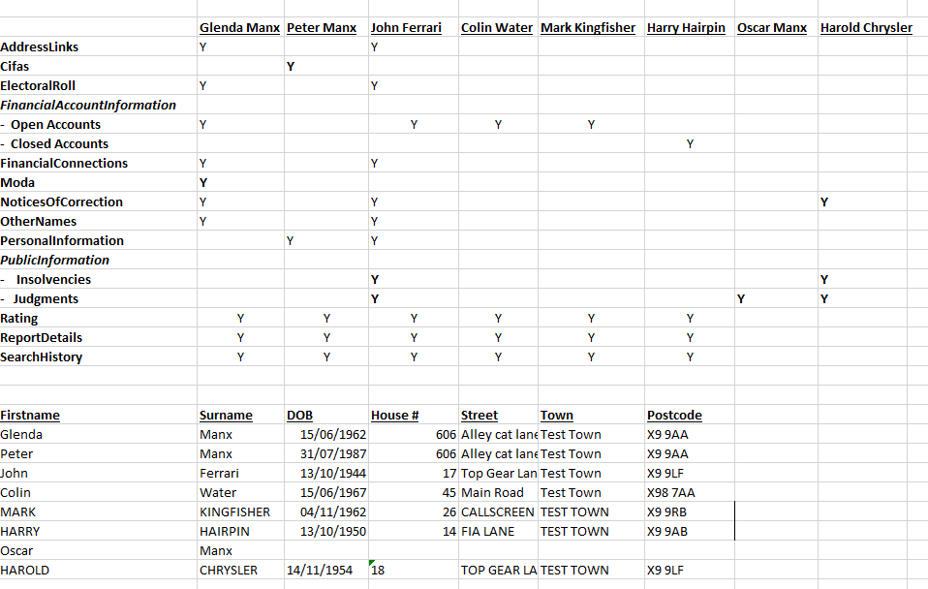
TitleId | Surname | Forename | Othername | Sex | DoBirth | HouseNum | Street1 | Postcode | DomicileId | ResidenceID
MRS | GLENDA | MANX | blank | F | 1962-06-15 | 606 | ALLEY CAT LANE | X9 9AA | 35241397 | 148488407
MR | OSCAR | MANX | blank | M | 1960-11-05 | 606 | ALLEY CAT LANE | X9 9AA | 35241397 | 148488404
MR | PETER | MANX | blank | M | 1987-07-31 | 606 | ALLEY CAT LANE | X9 9AA | 35241397 | 148488396
MR | JOHN | FERRARI | blank | M | 1944-10-13 | 17 | TOP GEAR LANE | X9 9LF | 35249583 | 148631882
MR | COLIN | WATER | blank | M | 1967-06-15 | 45 | MAIN ROAD | X98 7AA | 36614147 | 179590932
MR | MARK | KINGFISHER | blank | M | 1962-11-04 | 26 | CALLSCREEN | X9 9RB | 35836349 | 162771143
MR | HARRY | HAIRPIN | blank | M | 1950-10-13 | 14 | FIA LANE | X9 9AB | 35241403 | 148488418
MR | HAROLD | CHRYSLER | blank | M | 1954-11-14 | 18 | TOP GEAR LANE | X9 9LF | 35249582 | 148631881

